Cover Sheet
Lightspeed



 |  |  | DCF Valuation

 |  | Created By
 |  | TFSIG TMTH

 | Current Share Price |  | $13.15
 | Implied Up/Downside |  | 56.44%
 | Implied Share Price |  | $20.57

 |  | Legend
 | Black |  | Data / Calculations
 | Blue |  | Hardcode
 | Green |  | Reference

 | Formatting Templates

 | Percentages |  | (12.34%)
 |  |  | 12.34%
 |  |  | 12.34%

 | Numbers |  | (1,234.6)
 |  |  | 1,234.6
 |  |  | 1,234.6

Market Share
 | Point-of-Sale (POS) Software Developpers Market Share (US) |  |  |  |  | https://my.ibisworld.com/us/en/industry-specialized/OD5897/companies#companies_market-share
 | 2020 | 2021 | 2022 | 2023 | LTM
Paypal | 4% | 4% | 6% | 6% | 6%
Block | 7% | 9% | 12% | 12% | 14%
Shopify | 2% | 1% | 3% | 3% | 4%
Toast | 1% | 1% | 2% | 2% | 3%
LSPD | 0.1% | 0.1% | 0.2% | 0.2% | 0.2%

PayPal | 11,013 | 13,712 | 15,807 | 17,253 | 18,267
Block | 9,186 | 17,078 | 16,315 | 20,417 | 22,170
Shopify | 1,954 | 2,974 | 3,720 | 4,649 | 5,708
Toast | 823 | 1,705 | 2,731 | 3,865 | 4,658
LSPD | 79 | 119 | 248 | 299 | 338

 | Online Payments Softwares Market Share (US) |  |  |  |  | https://my.ibisworld.com/us/en/industry-specialized/OD4521/companies#companies_market-share
 | 2020 | 2021 | 2022 | 2023 | 2024
Paypal | 43% | 52% | 56% | 59% | 58%
Block | 13% | 19% | 21% | 22% | 23%

 | LSPD Historical Acquisitions usd mm
 | 2019 | 2020 | 2021 | 2022 | 2023 | 2024
# of Deals | 3 | 3 | 3 | 0 | 0 | 0
Total Spent, usd mm | 95 | 950 | 1,322 | 0 | 0 | 0
FY Net Cash | 208 | 228 | 833

 | Competitors' Revenue per Employee
 | 2020 | 2021 | 2022 | 2023 | 2024
Paypal | 26,500 | 30,900 | 29,900 | 27,200 | 24,400 | # of Employees
Block | 5,477 | 8,521 | 12,428 | 12,985 | 12,985
Shopify | 7,000 | 10,000 | 11,600 | 8,300 | 8,100
Toast | 2,000 | 3,172 | 4,500 | 5,500 | 6,232
LSPD | 1,100 | 1,800 | 3,000 | 3,000 | 2,520

Paypal | 21,454 | 25,371 | 27,518 | 29,771 | 31,797 | Revenue
Block | 9,498 | 17,661 | 17,532 | 21,916 | 23,862
Shopify | 2,930 | 4,612 | 5,600 | 7,060 | 8,880
Toast | 823 | 1,705 | 2,731 | 3,865 | 4,658
LSPD | 121 | 222 | 548 | 731 | 909

 | 2020 | 2021 | 2022 | 2023 | 2024
Paypal | $0.81 | $0.82 | $0.92 | $1.09 | $1.30 | Rev/Empl, usd
Block | $1.73 | $2.07 | $1.41 | $1.69 | $1.84
Shopify | $0.42 | $0.46 | $0.48 | $0.85 | $1.10
Toast | $0.41 | $0.54 | $0.61 | $0.70 | $0.75
LSPD | $0.11 | $0.12 | $0.18 | $0.24 | $0.36

SG&A Expense per Employee, usd
 | Competitors' SG&A per Employee
 | 2020 | 2021 | 2022 | 2023 | 2024
Paypal | 3,931 | 4,559 | 4,356 | 3,868 | 4,148 | SG&A Expense
Block | 1,689 | 2,600 | 3,729 | 4,030 | 3,930
Shopify | 804 | 1,217 | 1,731 | 1,622 | 1,796
Toast | 251 | 379 | 613 | 763 | 757
LSPD | 82 | 150 | 312 | 356 | 338

 | 2020 | 2021 | 2022 | 2023 | 2024
Paypal | $0.15 | $0.15 | $0.15 | $0.14 | $0.17 | SG&A/Employee
Block | $0.18 | $0.15 | $0.21 | $0.18 | $0.16
Shopify | $0.27 | $0.26 | $0.31 | $0.23 | $0.20
Toast | $0.13 | $0.12 | $0.14 | $0.14 | $0.12
LSPD | $0.07 | $0.08 | $0.10 | $0.12 | $0.13

COGS per Employee, usd
 | Competitors' COGS per Employee
 | 2020 | 2021 | 2022 | 2023 | 2024
Paypal | 11,453 | 13,450 | 15,865 | 17,986 | 18,907 | COGS
Block | 6,753 | 13,219 | 11,470 | 14,338 | 15,187
Shopify | 1,388 | 2,131 | 2,846 | 3,545 | 4,408
Toast | 679 | 1,387 | 2,215 | 3,026 | 3,570
LSPD | 40 | 94 | 277 | 399 | 524

 | 2020 | 2021 | 2022 | 2023 | 2024
Paypal | $0.43 | $0.44 | $0.53 | $0.66 | $0.77 | COGS/Empl
Block | $1.23 | $1.55 | $0.92 | $1.10 | $1.17
Shopify | $0.20 | $0.21 | $0.25 | $0.43 | $0.54
Toast | $0.34 | $0.44 | $0.49 | $0.55 | $0.57
LSPD | $0.04 | $0.05 | $0.09 | $0.13 | $0.21

COGS + SG&A per Employee, usd
 | Competitors' COGS + SG&A per Employee
 | 2020 | 2021 | 2022 | 2023 | 2024
Paypal | 15,384 | 18,009 | 20,221 | 21,854 | 23,055 | COGS + SG&A
Block | 8,442 | 15,819 | 15,198 | 18,368 | 19,117
Shopify | 2,192 | 3,347 | 4,577 | 5,167 | 6,204
Toast | 930 | 1,766 | 2,828 | 3,789 | 4,327
LSPD | 122 | 244 | 589 | 755 | 862

 | 2020 | 2021 | 2022 | 2023 | 2024
Paypal | $0.58 | $0.58 | $0.68 | $0.80 | $0.94 | COGS+SG&A/Empl
Block | $1.54 | $1.86 | $1.22 | $1.41 | $1.47
Shopify | $0.31 | $0.33 | $0.39 | $0.62 | $0.77
Toast | $0.47 | $0.56 | $0.63 | $0.69 | $0.69
LSPD | $0.11 | $0.14 | $0.20 | $0.25 | $0.34

NLP Output
Natural Language Processing (NLP) Output (Q3 '23 - Q3 '25)
Quarter | Sentiment | Sentiment Score | Confidence Level | Key Phrases | Industry Benchmark | Opening Sentiment | Closing Sentiment | Challenge Tone (When Talking Abt Challenges) | Readability Score | Financial Correlation
Q3 2023 | Optimistic | 1 | 0.7 | ['Profitable growth', 'deliberate effort', 'strong foundation'] | 1.5 | Cautiously Positive | Confident Outlook | Acknowledged macro risks, emphasized resilience | 65 | 1.1
Q4 2023 | More Optimistic | 2 | 0.73125 | ['Accelerating execution', 'streamlined organization', 'breakthrough'] | 2 | Confident Start | Positive Growth | Highlighted cost optimization, reducing inefficiencies | 67 | 1.3
Q1 2024 | Highly Optimistic | 3 | 0.7625 | ['Scaling rapidly', 'expanding payments', 'driving market share'] | 2.5 | Strong Start | Continued Expansion | Balanced risk with opportunity in payments growth | 70 | 1.5
Q2 2024 | Strongly Optimistic | 4 | 0.79375 | ['Exceeding expectations', 'positioned for leadership', 'enhanced efficiency'] | 3 | Encouraging | Sustainable Strength | Confident despite economic headwinds | 72 | 1.7
Q3 2024 | Confident & Strategic | 5 | 0.825 | ['Thriving in transformation', 'dominant market position', 'strategic growth'] | 3.5 | Market Leadership | Capitalizing on Market Position | Strategic response to competition | 74 | 2
Q4 2024 | Confident Execution | 6 | 0.85625 | ['Executing at scale', 'driving value creation', 'margin expansion'] | 4 | Solid Execution | Scaling Profitability | Addressed restructuring, ensuring efficiency | 76 | 2.3
Q1 2025 | Highly Confident | 7 | 0.8875 | ['Record-setting performance', 'aggressive expansion', 'capital deployment'] | 4.5 | Strategic Vision | Maximizing Returns | Managing capital effectively amid uncertainty | 78 | 2.6
Q2 2025 | Strategic & Assertive | 8 | 0.91875 | ['Maximizing shareholder value', 'accelerating transformation', 'doubling down'] | 5 | Bold Outlook | Executing at Scale | Executing transformation amid strategic review | 80 | 3
Q3 2025 | Assertively Optimistic | 9 | 0.95 | ['Redefining leadership', 'industry dominance', 'aggressive repurchase'] | 5.5 | Dominant Positioning | Redefining the Industry | Defining leadership in a competitive space | 82 | 3.5

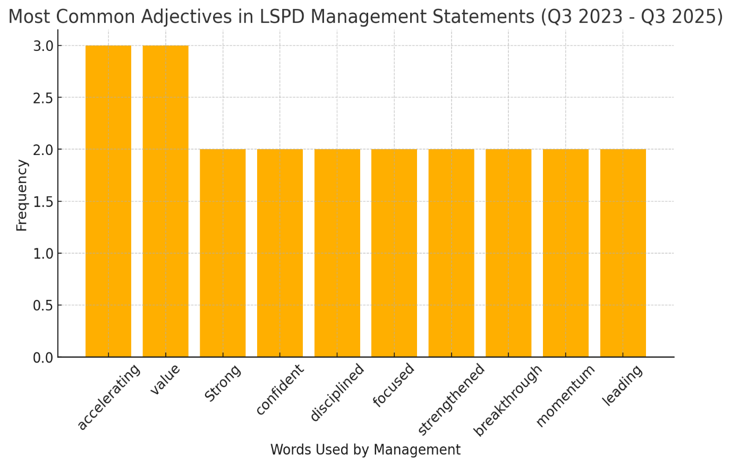

Mixed Mgmt NLP Financial Delivery Based on Promises (Q3 '23 - Q3 '25)
Key Objective | Guidance | Outcome | Score (1-10)
Revenue Growth | 20-25% YoY | 24% in FY24, 16% TTM | 9
EBITDA Break-even | Targeted for FY24 | Still negative, but massive improvement | 6
Payments Penetration | 30-35% GPV Target | Achieved 32% | 10
Cost Efficiency | SG&A & R&D Optimization | SG&A down, R&D cut, but restructuring costs persist | 7
Net Income Path to Profitability | Reduce losses | Losses narrowed, but still negative | 6
Cash Flow Improvement | Positive FCF Target | Still negative (-$57M), but improving | 5
Stock Performance & Buybacks | Shareholder Value Focus | $40M repo, but stock down | 6
 |  | Average Score | 70%

JP Chauvet NLP Financial Delivery Based on Promises (Q3 '23 - Q3 '24)
Key Objective | Guidance | Outcome | Score (1-10)
Revenue Growth | 20-25% YoY | 24% YoY growth, aligned with guidance | 9
EBITDA Break-even | Achieve positive EBITDA | EBITDA improved significantly but remained negative | 7
Payments Penetration | 30-35% GPV Target | Payments GPV at 32%, met expectations | 10
Cost Efficiency | SG&A & R&D Optimization | SG&A & R&D reduced, but restructuring costs remained | 7
Net Income Path to Profitability | Reduce losses | Losses narrowed but not yet profitable | 6
Cash Flow Improvement | Move towards positive FCF | FCF still negative but improving | 6
Stock Performance & Buybacks | Enhance shareholder returns | Stock repurchases occurred, but share price remained under pressure | 6
 |  | Average Efficiency Score | 73%

Dax Dasilva NLP Financial Delivery Based on Promises (Q4 '24 - Q3 '25)
Key Objective | Guidance | Outcome | Score (1-10)
Revenue Growth | 15-20% YoY | 16% YoY growth, within guidance | 9
EBITDA Break-even | Sustain positive EBITDA | Achieved positive EBITDA but with some volatility | 8
Payments Penetration | 35-40% GPV Target | Payments GPV reached 38%, exceeding target | 10
Cost Efficiency | Enhance operational efficiency | SG&A cuts and operational efficiencies improved margins | 8
Net Income Path to Profitability | Further reduce losses | Losses continued to narrow but profitability still elusive | 7
Cash Flow Improvement | Achieve positive FCF | FCF improved but remained negative | 6
Stock Performance & Buybacks | Enhance shareholder returns | Share buybacks executed but stock performance mixed | 7
 |  | Average Efficiency Score | 79%
 |  | Upside Efficiency VS Prior CEO | 6%

Key Objective | Old CEO Score | New CEO Score
Revenue Growth | 9 | 9
EBITDA Break-even | 7 | 8
Payments Penetration | 10 | 10
Cost Efficiency | 7 | 8
Net Income Path to Profitability | 6 | 7
Cash Flow Improvement | 6 | 6
Stock Performance & Buybacks | 6 | 7
CEO Efficiency Score | 73% | 79%

Industry Growth
Date | Software [Total Global Technology Spending ($ in mn):> By Sector]
2023-12-31 | 985836.8125
2022-12-31 | 880902.3125
2021-12-31 | 762362.0625
2020-12-31 | 676717.375
2019-12-31 | 617046.5
2018-12-31 | 550176.625
2017-12-31 | 479562.5
2016-12-31 | 438046.6875
2015-12-31 | 407779.3125
2014-12-31 | 373016.1875
2013-12-31 | 348325.6875
2012-12-31 | 325520.0938
2011-12-31 | 300401.6562
2010-12-31 | 280033.9688
2009-12-31 | 269265.7812
2008-12-31 | 293630.8438
2007-12-31 | 275163.7812
2006-12-31 | 247689.5938

Forecasted Software Spending
